Sub-award1
Budget planning - Subaward

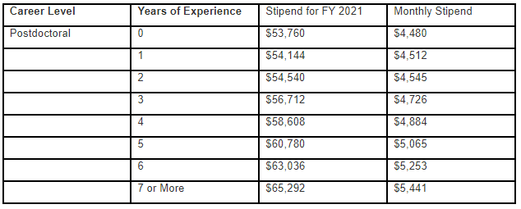
Salaries |  |  |  |  |  | Year 1 |  | Year 2 |  | Year 3 |  | Year 4 |  | Year 5 |  | Totals | Notes
Name & Role | Key? | 2023 Base Salary (no benefits) | Benefits |  | Calendar Mnths | % on Grant | Salary inc Benefits Yr 1 | % on Grant | Salary inc Benefits Yr 2 | % on Grant | Salary inc Benefits Yr 3 | % on Grant | Salary inc Benefits Yr 4 | % on Grant | Salary inc Benefits Yr 5
 |  |  | Rate | Amount
Name - PI |  | $212,100 | 0.0% | $- | - | 0% | $- | 0% | $- | 0% | $- | 0% | $- | 0% | $- | $-
 |  |  | 0.0% | $- | - | 0% | $- | 0% | $- | 0% | $- | 0% | $- | 0% | $- | $-
 |  |  | 0.0% | $- | - | 0% | $- | 0% | $- | 0% | $- | 0% | $- | 0% | $- | $-
 |  |  | 0.0% | $- | - | 0% | $- | 0% | $- | 0% | $- | 0% | $- | 0% | $- | $-
 |  |  | 0.0% | $- | - | 0% | $- | 0% | $- | 0% | $- | 0% | $- | 0% | $- | $-
 |  |  | 0.0% | $- | - | 0% | $- | 0% | $- | 0% | $- | 0% | $- | 0% | $- | $-
 |  |  | 0.0% | $- | - | 0% | $- | 0% | $- | 0% | $- | 0% | $- | 0% | $- | $-
Total Salaries |  |  |  |  |  | $- |  | $- |  | $- |  | $- |  | $- |  | $- | Total Salary (inc. benefits)

Capital Equipment (Items with a cost of >5k per item & life > 1 year) |  |  |  |  |  | Year 1 |  | Year 2 |  | Year 3 |  | Year 4 |  | Year 5 |  | Totals
 |  |  |  |  |  |  |  |  |  |  |  |  |  |  |  | $-
 |  |  |  |  |  |  |  |  |  |  |  |  |  |  |  | $-
 |  |  |  |  |  |  |  |  |  |  |  |  |  |  |  | $-
 |  |  |  |  | Total Capital Equipment | $- |  | $- |  | $- |  | $- |  | $- |  | $- | Total Capital Equipment

Other Direct Costs (non capital equipment, supplies, travel, publications, animals, etc) |  |  |  |  |  | Year 1 |  | Year 2 |  | Year 3 |  | Year 4 |  | Year 5 |  | Totals
 |  |  |  |  |  |  |  |  |  |  |  |  |  |  |  | $-
 |  |  |  |  |  |  |  |  |  |  |  |  |  |  |  | $-
 |  |  |  |  |  |  |  |  |  |  |  |  |  |  |  | $-
 |  |  |  |  |  |  |  |  |  |  |  |  |  |  |  | $-
 |  |  |  |  |  |  |  |  |  |  |  |  |  |  |  | $-
 |  |  |  |  |  |  |  |  |  |  |  |  |  |  |  | $-
 |  |  |  |  |  |  |  |  |  |  |  |  |  |  |  | $-
 |  |  |  |  |  |  |  |  |  |  |  |  |  |  |  | $-
 |  |  |  |  |  |  |  |  |  |  |  |  |  |  |  | $-
 |  |  |  |  |  |  |  |  |  |  |  |  |  |  |  | $-
 |  |  |  |  | Total Other Costs | $- |  | $- |  | $- |  | $- |  | $- |  | $- | Total Other costs

Summary |  |  |  |  |  | Year 1 |  | Year 2 |  | Year 3 |  | Year 4 |  | Year 5 |  | Totals
Subaward/Consortium Direct Costs |  |  |  |  |  | $- |  | $- |  | $- |  | $- |  | $- |  | $-
Subaward/Consortium Direct Costs Subject to IDC |  |  |  |  |  | $- |  | $- |  | $- |  | $- |  | $- |  | $- | Direct costs minus capital equipment
 |  | Subaward/Consortium Indirect Costs Rate: | 0.0% |  | IDC totals | $- |  | $- |  | $- |  | $- |  | $- |  | $-

 |  |  |  |  | Total Project Costs | $- |  | $- |  | $- |  | $- |  | $- |  | $-

Notes:
Sheet is unlocked, but please don't change any formulas. Only complete white cells, everything else auto-calculates
NIH Cap - The Executive Level II salary increased to $212,100 effective January 1, 2023.

Per diem calc - rodents
Notes:
Per Diem rates as of 4/1/2021 are below
Enter all columns in year 1 and the following years will calculate and include a 5% increase per year (once the other columns have been entered)
There is a '% for calculation' column so groups of animals can be split, e.g. if there is expected to be 20% drop-out rate then there would be 2 lines entered for this group, one for 80% and one for 20% with a different number of days for each (e.g. yr 1, lines 14 & 15)
If only 1 group is needed all for the same length of time, then this would be entered as 100%. This could also be reduced in the following years to account for drop-off/sacrifices
Splitting groups to account for drop-outs is not necessarily needed, but may be useful to get a more accurate estimate of costs in this area if the overall budget is tight.
Only rows with a 'year 1 cost' will be calculated, so always enter the year 1 cost even if no other columns are completed until a later year
See examples below (delete any amount from examples from all years before entering your numbers)
The total calculation for each year is transferred to the full budget sheet automatically

Rodent per diem calculation | Year 1 |  |  |  |  |  | 5% inc | Year 2 |  |  |  |  | 5% inc | Year 3 |  |  |  |  | 5% inc | Year 4 |  |  |  |  | 5% inc | Year 5 |  |  |  |  | Grand Total | Notes
Item | Year 1 Cost | # Total Animals | % for calculation | # per cage | # days | Total | Cost | # Total Animals | % for calculation | # per cage | # days | Total | Cost | # Total Animals | % for calculation | # per cage | # days | Total | Cost | # Total Animals | % for calculation | # per cage | # days | Total | Cost | # Total Animals | % for calculation | # per cage | # days | Total
Standard Mouse (example) | $1.43 | 100 | 100% | 5 | 40 | $1,144.00 | $1.50 |  | 100% | 5 |  | $- | $1.58 |  | 100% | 5 |  | $- | $1.66 |  | 100% | 5 |  | $- | $1.74 |  | 100% | 5 |  | $- | $1,144.00
Breeding mouse | $2.15 |  |  |  |  | $- | $2.26 |  |  |  |  | $- | $2.37 |  |  |  |  | $- | $2.49 |  |  |  |  | $- | $2.61 |  |  |  |  | $- | $-
Standard rate | $2.65 |  |  |  |  | $- | $2.78 |  |  |  |  | $- | $2.92 |  |  |  |  | $- | $3.07 |  |  |  |  | $- | $3.22 |  |  |  |  | $- | $-
Breeding rat | $3.97 |  |  |  |  | $- | $4.17 |  |  |  |  | $- | $4.38 |  |  |  |  | $- | $4.60 |  |  |  |  | $- | $4.83 |  |  |  |  | $- | $-
 |  |  |  |  |  | $- | $- |  |  |  |  | $- | $- |  |  |  |  | $- | $- |  |  |  |  | $- | $- |  |  |  |  | $- | $-
 |  |  |  |  |  | $- | $- |  |  |  |  | $- | $- |  |  |  |  | $- | $- |  |  |  |  | $- | $- |  |  |  |  | $- | $-
 |  |  |  |  |  | $- | $- |  |  |  |  | $- | $- |  |  |  |  | $- | $- |  |  |  |  | $- | $- |  |  |  |  | $- | $-
 |  |  |  |  |  | $- | $- |  |  |  |  | $- | $- |  |  |  |  | $- | $- |  |  |  |  | $- | $- |  |  |  |  | $- | $-
 |  |  |  |  |  | $- | $- |  |  |  |  | $- | $- |  |  |  |  | $- | $- |  |  |  |  | $- | $- |  |  |  |  | $- | $-
 |  |  |  |  |  | $- | $- |  |  |  |  | $- | $- |  |  |  |  | $- | $- |  |  |  |  | $- | $- |  |  |  |  | $- | $-
 |  |  |  |  |  | $- | $- |  |  |  |  | $- | $- |  |  |  |  | $- | $- |  |  |  |  | $- | $- |  |  |  |  | $- | $-

 |  |  |  |  |  | $1,144.00 |  |  |  |  |  | $- |  |  |  |  |  | $- |  |  |  |  |  | $- |  |  |  |  |  | $- | $1,144.00

Note:
Only change cells that are white - all others are auto-calculating
The total calculation for each year is NOT transferred to the full budget sheet automatically - you will need to take these amounts and manually add them to line 29

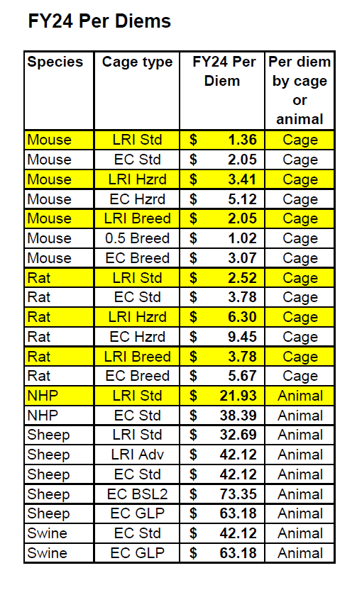
Per diem rates as of 4/1/2023 |  |  | for 2024 budgets (+5%)
Standard mice - 5 per cage | $1.36 |  | $1.43
Special cage mice* (2 per breeding cage) | $2.05 |  | $2.15
Hazardous waste or biohazard mice | $3.41 |  | $3.58

Standard rat - 2 per cage | $2.52 |  | $2.65
Special cage rat* (2 per breeding cage) | $3.78 |  | $3.97
Hazardous waste or biohazard rat | $6.30 |  | $6.62

*Special cage= breeding cage, diabetic animals, quarantine animals

Up to 5 adult mice can be housed in non-breeding cages
2 adult mice (1M, 1F) can be housed in breeding cages
2 adult rats are housed per cage

