AvgSalaryCalc
Average salary calculator
NIH budgeting parameters do not allow for cost of living increases year on year
This will calculate the average salary with increases across the number of year in the project
Enter current salary & years in project

 | Name | Current salary | Yrs in project | Avg base to use in project | Y1 | Y2 | Y3 | Y4 | Y5 | Y6 | Y7 | Select
1 | example | $150,000 | 5 | $164,052 | $154,500 | $159,135 | $163,909 | $168,826 | $173,891 | $179,108 | $184,481 | 1
2 |  | $- | Select | #N/A | $154,500 | $156,818 | $159,181 | $161,593 | $164,052 | $166,562 | $169,121 | 2
3 |  | $- | Select | #N/A |  |  |  |  |  |  |  | 3
4 |  | $- | Select | #N/A | $- | $- | $- | $- | $- | $- | $- | 4
5 |  | $- | Select | #N/A | $- | $- | $- | $- | $- | $- | $- | 5
6 |  | $- | Select | #N/A |  |  |  |  |  |  |  | 6
7 |  | $- | Select | #N/A | $- | $- | $- | $- | $- | $- | $- | 7
8 |  | $- | Select | #N/A | $- | $- | $- | $- | $- | $- | $-

If you have more than 8 people contact Joanne for an updated sheet |  |  |  |  | $- | $- | $- | $- | $- | $- | $-
 |  |  |  |  | $- | $- | $- | $- | $- | $- | $-
NOTE: At LRI, the starting Post-Doc salary is $32.56/hr ($67,724.80 annual), and is Exempt status.
NIH Post-doc rates: |  |  |  |  | $- | $- | $- | $- | $- | $- | $-
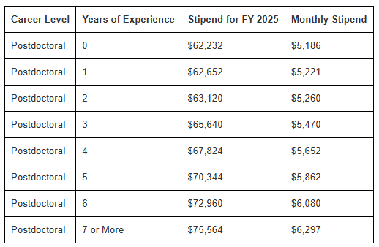
 |  |  |  |  | $- | $- | $- | $- | $- | $- | $-

 |  |  |  |  | $- | $- | $- | $- | $- | $- | $-
 |  |  |  |  | $- | $- | $- | $- | $- | $- | $-

 |  |  |  |  | $- | $- | $- | $- | $- | $- | $-
 |  |  |  |  | $- | $- | $- | $- | $- | $- | $-

 |  |  |  |  | $- | $- | $- | $- | $- | $- | $-
 |  |  |  |  | $- | $- | $- | $- | $- | $- | $-

Sub-award1
Budget planning - Subaward

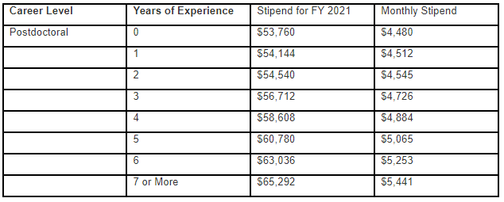
Salaries |  |  |  |  |  | Year 1 |  | Year 2 |  | Year 3 |  | Year 4 |  | Year 5 |  | Totals | Notes
Name & Role | Key? | 2023 Base Salary (no benefits) | Benefits |  | Calendar Mnths | % on Grant | Salary inc Benefits Yr 1 | % on Grant | Salary inc Benefits Yr 2 | % on Grant | Salary inc Benefits Yr 3 | % on Grant | Salary inc Benefits Yr 4 | % on Grant | Salary inc Benefits Yr 5
 |  |  | Rate | Amount
Name - PI |  | $212,100 | 0.0% | $- | - | 0% | $- | 0% | $- | 0% | $- | 0% | $- | 0% | $- | $-
 |  |  | 0.0% | $- | - | 0% | $- | 0% | $- | 0% | $- | 0% | $- | 0% | $- | $-
 |  |  | 0.0% | $- | - | 0% | $- | 0% | $- | 0% | $- | 0% | $- | 0% | $- | $-
 |  |  | 0.0% | $- | - | 0% | $- | 0% | $- | 0% | $- | 0% | $- | 0% | $- | $-
 |  |  | 0.0% | $- | - | 0% | $- | 0% | $- | 0% | $- | 0% | $- | 0% | $- | $-
 |  |  | 0.0% | $- | - | 0% | $- | 0% | $- | 0% | $- | 0% | $- | 0% | $- | $-
 |  |  | 0.0% | $- | - | 0% | $- | 0% | $- | 0% | $- | 0% | $- | 0% | $- | $-
Total Salaries |  |  |  |  |  | $- |  | $- |  | $- |  | $- |  | $- |  | $- | Total Salary (inc. benefits)

Capital Equipment (Items with a cost of >5k per item & life > 1 year) |  |  |  |  |  | Year 1 |  | Year 2 |  | Year 3 |  | Year 4 |  | Year 5 |  | Totals
 |  |  |  |  |  |  |  |  |  |  |  |  |  |  |  | $-
 |  |  |  |  |  |  |  |  |  |  |  |  |  |  |  | $-
 |  |  |  |  |  |  |  |  |  |  |  |  |  |  |  | $-
 |  |  |  |  | Total Capital Equipment | $- |  | $- |  | $- |  | $- |  | $- |  | $- | Total Capital Equipment

Other Direct Costs (non capital equipment, supplies, travel, publications, animals, etc) |  |  |  |  |  | Year 1 |  | Year 2 |  | Year 3 |  | Year 4 |  | Year 5 |  | Totals
 |  |  |  |  |  |  |  |  |  |  |  |  |  |  |  | $-
 |  |  |  |  |  |  |  |  |  |  |  |  |  |  |  | $-
 |  |  |  |  |  |  |  |  |  |  |  |  |  |  |  | $-
 |  |  |  |  |  |  |  |  |  |  |  |  |  |  |  | $-
 |  |  |  |  |  |  |  |  |  |  |  |  |  |  |  | $-
 |  |  |  |  |  |  |  |  |  |  |  |  |  |  |  | $-
 |  |  |  |  |  |  |  |  |  |  |  |  |  |  |  | $-
 |  |  |  |  |  |  |  |  |  |  |  |  |  |  |  | $-
 |  |  |  |  |  |  |  |  |  |  |  |  |  |  |  | $-
 |  |  |  |  |  |  |  |  |  |  |  |  |  |  |  | $-
 |  |  |  |  | Total Other Costs | $- |  | $- |  | $- |  | $- |  | $- |  | $- | Total Other costs

Summary |  |  |  |  |  | Year 1 |  | Year 2 |  | Year 3 |  | Year 4 |  | Year 5 |  | Totals
Subaward/Consortium Direct Costs |  |  |  |  |  | $- |  | $- |  | $- |  | $- |  | $- |  | $-
Subaward/Consortium Direct Costs Subject to IDC |  |  |  |  |  | $- |  | $- |  | $- |  | $- |  | $- |  | $- | Direct costs minus capital equipment
 |  | Subaward/Consortium Indirect Costs Rate: | 0.0% |  | IDC totals | $- |  | $- |  | $- |  | $- |  | $- |  | $-

 |  |  |  |  | Total Project Costs | $- |  | $- |  | $- |  | $- |  | $- |  | $-

Notes:
Sheet is unlocked, but please don't change any formulas. Only complete white cells, everything else auto-calculates
NIH Cap - The Executive Level II salary increased to $212,100 effective January 1, 2023.

